VNIR SR S2A, S2B & S2C
S2A, S2B & S2C MSI Spectral Response Average - VNIR
 | S2A_SR_AV_B1 | S2A_SR_AV_B2 | S2A_SR_AV_B3 | S2A_SR_AV_B4 | S2A_SR_AV_B5 | S2A_SR_AV_B6 | S2A_SR_AV_B7 | S2A_SR_AV_B8 | S2A_SR_AV_B8A | S2A_SR_AV_B9
300 | 0 | 0 | 0 | 0 | 0 | 0 | 0 | 0 | 0 | 0
301 | 0 | 0 | 0 | 0 | 0 | 0 | 0 | 0 | 0 | 0
302 | 0 | 0 | 0 | 0 | 0 | 0 | 0 | 0 | 0 | 0
303 | 0 | 0 | 0 | 0 | 0 | 0 | 0 | 0 | 0 | 0
304 | 0 | 0 | 0 | 0 | 0 | 0 | 0 | 0 | 0 | 0
305 | 0 | 0 | 0 | 0 | 0 | 0 | 0 | 0 | 0 | 0
306 | 0 | 0 | 0 | 0 | 0 | 0 | 0 | 0 | 0 | 0
307 | 0 | 0 | 0 | 0 | 0 | 0 | 0 | 0 | 0 | 0
308 | 0 | 0 | 0 | 0 | 0 | 0 | 0 | 0 | 0 | 0
309 | 0 | 0 | 0 | 0 | 0 | 0 | 0 | 0 | 0 | 0
310 | 0 | 0 | 0 | 0 | 0 | 0 | 0 | 0 | 0 | 0
311 | 0 | 0 | 0 | 0 | 0 | 0 | 0 | 0 | 0 | 0
312 | 0 | 0 | 0 | 0 | 0 | 0 | 0 | 0 | 0 | 0
313 | 0 | 0 | 0 | 0 | 0 | 0 | 0 | 0 | 0 | 0
314 | 0 | 0 | 0 | 0 | 0 | 0 | 0 | 0 | 0 | 0
315 | 0 | 0 | 0 | 0 | 0 | 0 | 0 | 0 | 0 | 0
316 | 0 | 0 | 0 | 0 | 0 | 0 | 0 | 0 | 0 | 0
317 | 0 | 0 | 0 | 0 | 0 | 0 | 0 | 0 | 0 | 0
318 | 0 | 0 | 0 | 0 | 0 | 0 | 0 | 0 | 0 | 0
319 | 0 | 0 | 0 | 0 | 0 | 0 | 0 | 0 | 0 | 0
320 | 0 | 0 | 0 | 0 | 0 | 0 | 0 | 0 | 0 | 0
321 | 0 | 0 | 0 | 0 | 0 | 0 | 0 | 0 | 0 | 0
322 | 0 | 0 | 0 | 0 | 0 | 0 | 0 | 0 | 0 | 0
323 | 0 | 0 | 0 | 0 | 0 | 0 | 0 | 0 | 0 | 0
324 | 0 | 0 | 0 | 0 | 0 | 0 | 0 | 0 | 0 | 0
325 | 0 | 0 | 0 | 0 | 0 | 0 | 0 | 0 | 0 | 0
326 | 0 | 0 | 0 | 0 | 0 | 0 | 0 | 0 | 0 | 0
327 | 0 | 0 | 0 | 0 | 0 | 0 | 0 | 0 | 0 | 0
328 | 0 | 0 | 0 | 0 | 0 | 0 | 0 | 0 | 0 | 0
329 | 0 | 0 | 0 | 0 | 0 | 0 | 0 | 0 | 0 | 0
330 | 0 | 0 | 0 | 0 | 0 | 0 | 0 | 0 | 0 | 0
331 | 0 | 0 | 0 | 0 | 0 | 0 | 0 | 0 | 0 | 0
332 | 0 | 0 | 0 | 0 | 0 | 0 | 0 | 0 | 0 | 0
333 | 0 | 0 | 0 | 0 | 0 | 0 | 0 | 0 | 0 | 0
334 | 0 | 0 | 0 | 0 | 0 | 0 | 0 | 0 | 0 | 0
335 | 0 | 0 | 0 | 0 | 0 | 0 | 0 | 0 | 0 | 0
336 | 0 | 0 | 0 | 0 | 0 | 0 | 0 | 0 | 0 | 0
337 | 0 | 0 | 0 | 0 | 0 | 0 | 0 | 0 | 0 | 0
338 | 0 | 0 | 0 | 0 | 0 | 0 | 0 | 0 | 0 | 0
339 | 0 | 0 | 0 | 0 | 0 | 0 | 0 | 0 | 0 | 0
340 | 0 | 0 | 0 | 0 | 0 | 0 | 0 | 0 | 0 | 0
341 | 0 | 0 | 0 | 0 | 0 | 0 | 0 | 0 | 0 | 0
342 | 0 | 0 | 0 | 0 | 0 | 0 | 0 | 0 | 0 | 0
343 | 0 | 0 | 0 | 0 | 0 | 0 | 0 | 0 | 0 | 0
344 | 0 | 0 | 0 | 0 | 0 | 0 | 0 | 0 | 0 | 0
345 | 0 | 0 | 0 | 0 | 0 | 0 | 0 | 0 | 0 | 0
346 | 0 | 0 | 0 | 0 | 0 | 0 | 0 | 0 | 0 | 0
347 | 0 | 0 | 0 | 0 | 0 | 0 | 0 | 0 | 0 | 0
348 | 0 | 0 | 0 | 0 | 0 | 0 | 0 | 0 | 0 | 0
349 | 0 | 0 | 0 | 0 | 0 | 0 | 0 | 0 | 0 | 0
...

Spectral Responses (S2B)'!$C$1

SWIR SR S2A, S2B & S2C
S2A, S2B & S2C MSI Spectral Response Average - SWIR

Equivalent Wavelengths
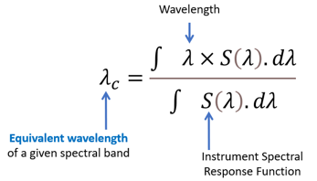
 | Equivalent wavelength (nm)
 | S2A | S2B | S2C | Definition of the equivalent wavelength
B01 | 442.7 | 442.2 | 444.2
B02 | 492.7 | 492.3 | 489.0
B03 | 559.8 | 558.9 | 560.6
B04 | 664.6 | 664.9 | 666.5
B05 | 704.1 | 703.8 | 707.1
B06 | 740.5 | 739.1 | 741.1
B07 | 782.8 | 779.7 | 784.7
B08 | 832.8 | 832.9 | 834.6
B8A | 864.7 | 864.0 | 865.6
B09 | 945.1 | 943.2 | 947.2
B10 | 1373.5 | 1376.9 | 1372.2
B11 | 1613.7 | 1610.4 | 1612.0
B12 | 2202.4 | 2185.7 | 2191.3

Bandwidth and mid-wavelength
 |  |  |  |  |  |  | Calculation by determinating the steepest increasing and decreasing slopes
 | Wavelength at mid-bandwidth and bandwidth (nm)
 | S2A |  | S2B |  | S2C |  | Definition of "bandwidth" and "wavelength at mid-bandwidth" parameters
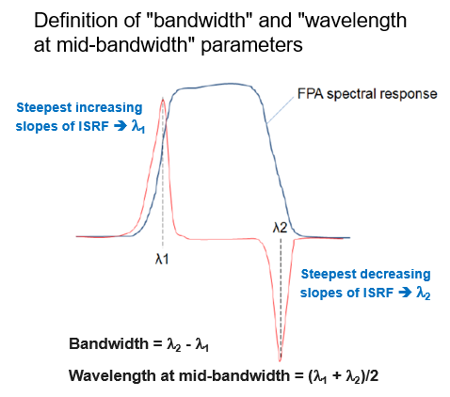
 | Wa | Bandwidth | Wa | Bandwidth | Wa | Bandwidth
B01 | 443.0 | 20.0 | 443.0 | 20.0 | 444.5 | 21.0
B02 | 492.0 | 64.0 | 491.5 | 65.0 | 489.5 | 65.0
B03 | 560.5 | 35.0 | 559.5 | 35.0 | 561 | 36.0
B04 | 665.0 | 30.0 | 665.5 | 31.0 | 667 | 30.0
B05 | 705.0 | 14.0 | 704.5 | 15.0 | 707.5 | 15.0
B06 | 741.0 | 14.0 | 740.0 | 14.0 | 741.5 | 15.0
B07 | 784.0 | 20.0 | 781.0 | 20.0 | 785.5 | 21.0
B08 | 842.0 | 118.0 | 840.5 | 115.0 | 844 | 114.0
B8A | 865.0 | 20.0 | 865.0 | 20.0 | 866 | 20.0
B09 | 946.0 | 20.0 | 944.0 | 20.0 | 948 | 20.0
B10 | 1374.0 | 30.0 | 1378.0 | 30.0 | 1372.5 | 33.0
B11 | 1614.0 | 88.0 | 1611.5 | 93.0 | 1611.5 | 89.0
B12 | 2197.5 | 179.0 | 2184.5 | 181.0 | 2193 | 182.0

